Sheet1
 |  | Document No. | Issue No. | Issue Date |  | Review and Replace Date |  | Authorised By
 |  | GFF054MC | 1 | 28.09.2018 |  | New Issue
 |  | Document Title | Prawn Mango Masala 350g
 |  | Cross Ref: BRC 7 | Page 1 of 1 |  | Clause |  | 6.1 | E. Yadamsuren
Document amendments reason for change |  | New document created |  |  | Previous Issue Date |  | New Issue | Uncontrolled copy unless signed original

CPMA-R4TEB | BOOTHS |  | PRAWN MANGO MASALA 350g
STEP 1 |  |  |  |  | STEP 2
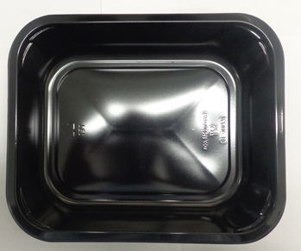 |  |  |  |  | 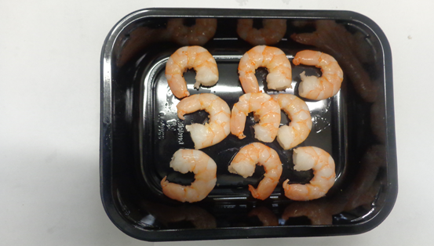

Tray: 2200-1D (PKRHP001-04) |  |  |  |  | Marinated King Prawn (GFF196R): 85g
Film: 380x500x25OLAF (PKWRA001-02) (WRAPID) |  |  |  |  | 8 - 10 pieces
STEP 3
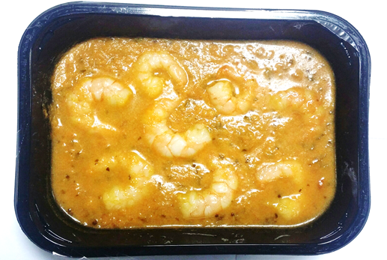

Mango Masala Sauce (GFF132R) : 265g |  |  |  |  | TOTAL WEIGHT: 350G
 |  |  |  |  | T1: 341G T2: 332G
ALLERGY ALERT: BARLEY, CRUSTACEAN, MILK , MUSTARD CATEGORY A

